Sales Page
 |  |  |  |  | Injury Grid

 | Easily track a team's injuries over the course of the entire season

 |  | ● | Quantify the impact that injuries have on every team
 |  | ● | Add context around a team's season by reviewing their injuries at various points throughout the campaign
 |  | ● | Normal injury reports don't give you enough information and everyone uses the same ones
 |  | ● | Track playing time to see how lineup changes are impacting team performance over time

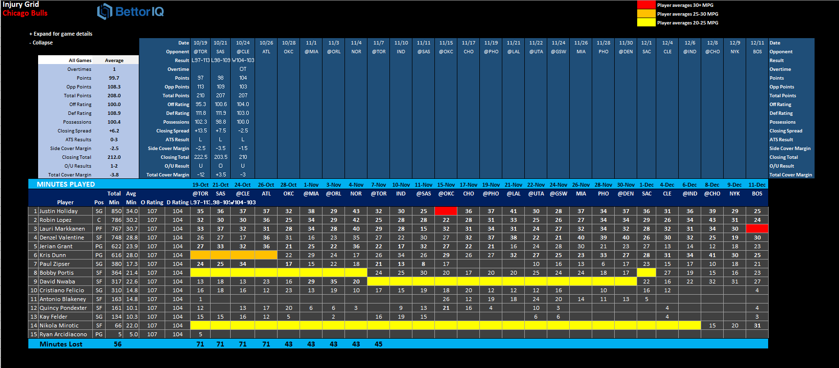

 |  | NFL Injury Matrix |  | $19.99 per Month |  | NFL Injury Matrix | $69.99 Entire Season
 |  | NBA Injury Matrix |  | $19.99 per Month |  | NBA Injury Matrix | $99.99 Entire Season
 |  | CBB Injury Matrix |  | $29.99 per Month |  | CBB Injury Matrix | $129.99 Entire Season
 |  | CFB Injury Matrix |  | $29.99 per Month |  | CFB Injury Matrix | $119.99 Entire Season
 |  | MLB Injury Matrix |  | $19.99 per Month |  | MLB Injury Matrix | $79.99 Entire Season
 |  | NHL Injury Matrix |  | $19.99 per Month |  | NHL Injury Matrix | $79.99 Entire Season

Examples
The Chicago Bulls were battered with injuries early on in the season but the linesmakers have been slow to adjust now that they're healthy. The Injury Grid makes it easier to find these type of situations.
The Packers have been hit hard with cluster injuries in their secondary lately and their depth is thin. Those players are now off the injury report and you expect the pass defense to improve significantly.
Appalachian State's basketball team has been severely affected by injuries of late but most injury reports have missed them because it's such a small school. The Injury Grid will never miss these.
You uncover a pattern of particularly poor defensive play for the Montreal Canadiens when they have injuries to any of their top three defensive pairings. Look to the OVER when you see one of them out.
The Atlanta Hawks have made some lineup changes that are easily detected via the minutes logs in the Injury Grid. Be one of the first bettors to make the proper adjustments to uncover a possible edge.
You notice after reviewing the Injury Grid that the Mets' struggles have directly coincided with injuries to Yoenis Cespedes. The team is averaging 1.9 runs less per game without him in the lineup.

How is the injury grid going to value a player being out? +/-? What is the players worth?

